Bug2
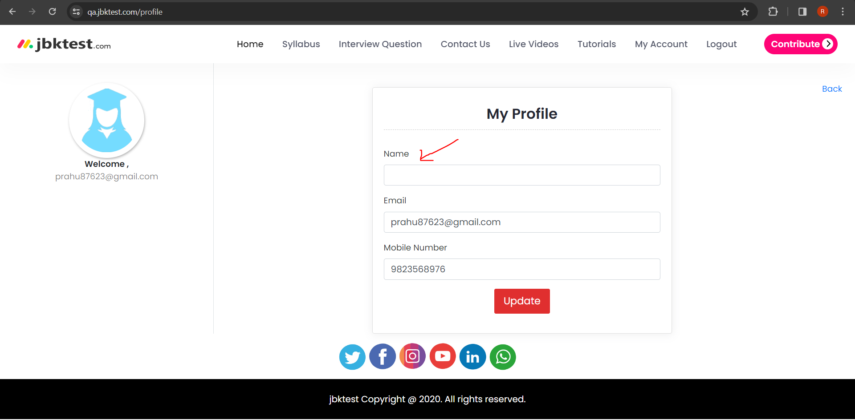
1 | Bug Id: | 2
2 | Title of Bug: | When user doesn't enter name and click on Proceed button, Account is created and quiz is started
3 | Bug Description: | When user doesn't enter name and click on Proceed button, Account should not be created and should return Please enter name error
4 | Steps to Reproduce: | 1) Open "https://www.qa.jbktest.com/online-exam#Testing" website in browser
 |  | 2) Click on Testing tab
 |  | 3) Click on Manual Testing(ISTQB) Tab
 |  | 4) Click on "Next" Button
 |  | 5) Click on "SignUp" Tab
 |  | 6) Enter Email Address in Email Address TextBox
 |  | 7) Enter Mobile Number in Mobile number TextBox
 |  | 8) Click on Checkbox
 |  | 9) Click on "Proceed" Button
 |  | 10) Click on "My Account" link
 |  | 11) Click on Profile tab
5 | Test Case Id: | TC_SignUp_003
6 | Severity: | Major
7 | Priority of bug: | High
8 | Status of bug: | New
9 | Reproduciblity: | Always
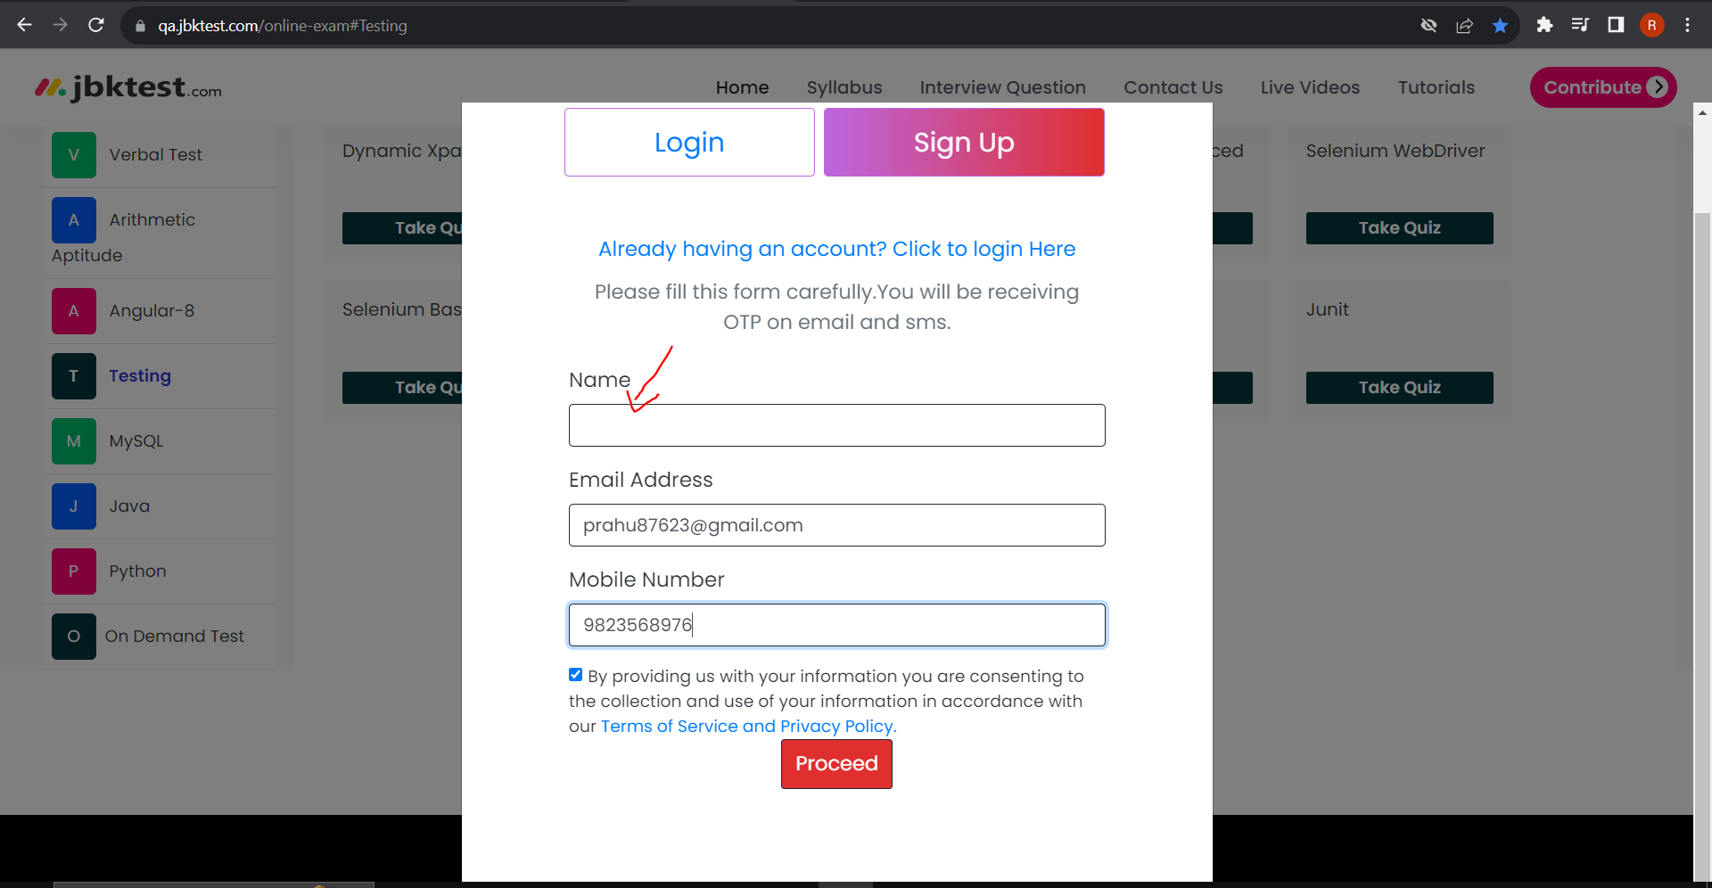
10 | Attachment:

Bug3
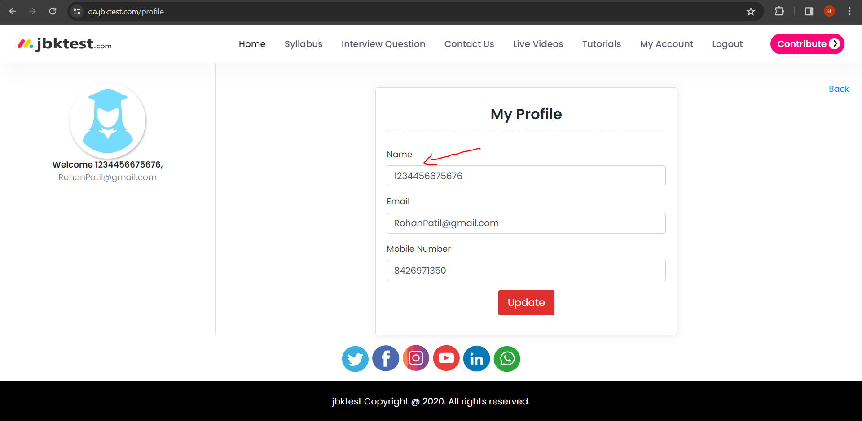
1 | Bug Id: | 3
2 | Title of Bug: | When user enter name in number format or enter special characters as name and click on Proceed button, Account is created and quiz is started
3 | Bug Description: | When user enter name in number format and click on Proceed button, Account should not be created and should return enter valid name error
 |  | 1) Open "https://www.qa.jbktest.com/online-exam#Testing" website in browser
4 | Steps to Reproduce: | 2) Click on Testing tab
 |  | 3) Click on Manual Testing(ISTQB) Tab
 |  | 4) Click on "Next" Button
 |  | 5) Click on "SignUp" Tab
 |  | 6) Enter name in number format in Name TextBox
 |  | 7) Enter Email Address in Email Address TextBox
 |  | 8) Enter Mobile Number in Mobile number TextBox
 |  | 9) Click on Checkbox
 |  | 10) Click on "Proceed" Button
 |  | 11) Click on "My Account" link
 |  | 12) Click on Profile tab
5 | Test Case Id: | TC_SignUp_002
6 | Severity: | Critical
7 | Priority of bug: | High
8 | Status of bug: | New
9 | Reproduciblity: | Always
10 | Attachment:

Bug 4
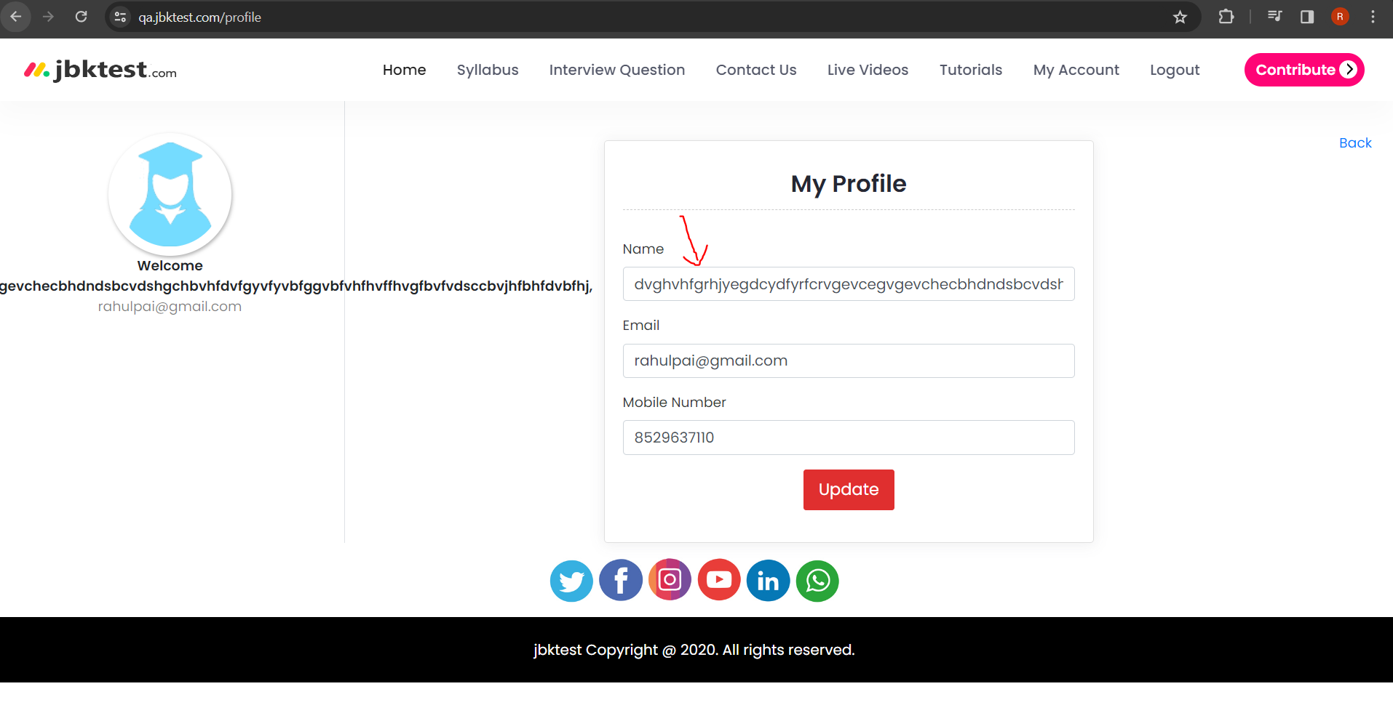
1 | Bug Id: | 4
2 | Title of Bug: | When user enter very long invalid name and click on Proceed button, Account is created
3 | Bug Description: | When user enter very long invalid name and click on Proceed button, Account should not be created and should return enter valid name error
 |  | 1) Open "https://www.qa.jbktest.com/online-exam#Testing" website in browser
 |  | 2) Click on Testing tab
4 | Steps to Reproduce: | 3) Click on Manual Testing(ISTQB) Tab
 |  | 4) Click on "Next" Button
 |  | 5) Click on "SignUp" Tab
 |  | 6) Enter as name in Name TextBox
 |  | 7) Enter Email Address in Email Address TextBox
 |  | 8) Enter Mobile Number in Mobile number TextBox
 |  | 9) Click on Checkbox
 |  | 10) Click on "Proceed" Button
 |  | 11) Click on "My Account" link
 |  | 12) Click on Profile tab
5 | Test Case Id: | TC_SignUp_004
6 | Severity: | Critical
7 | Priority of bug: | Critical
8 | Status of bug: | New
9 | Reproduciblity: | Always
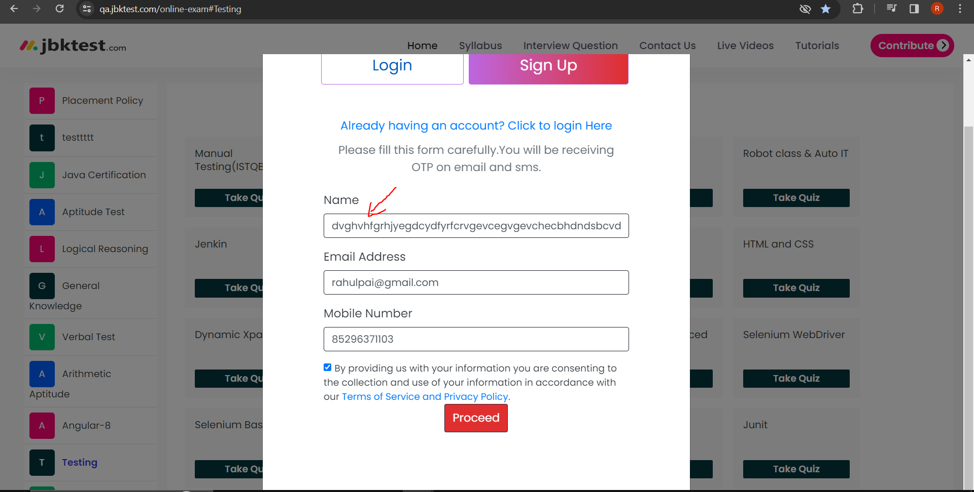
10 | Attachment:

Bug5
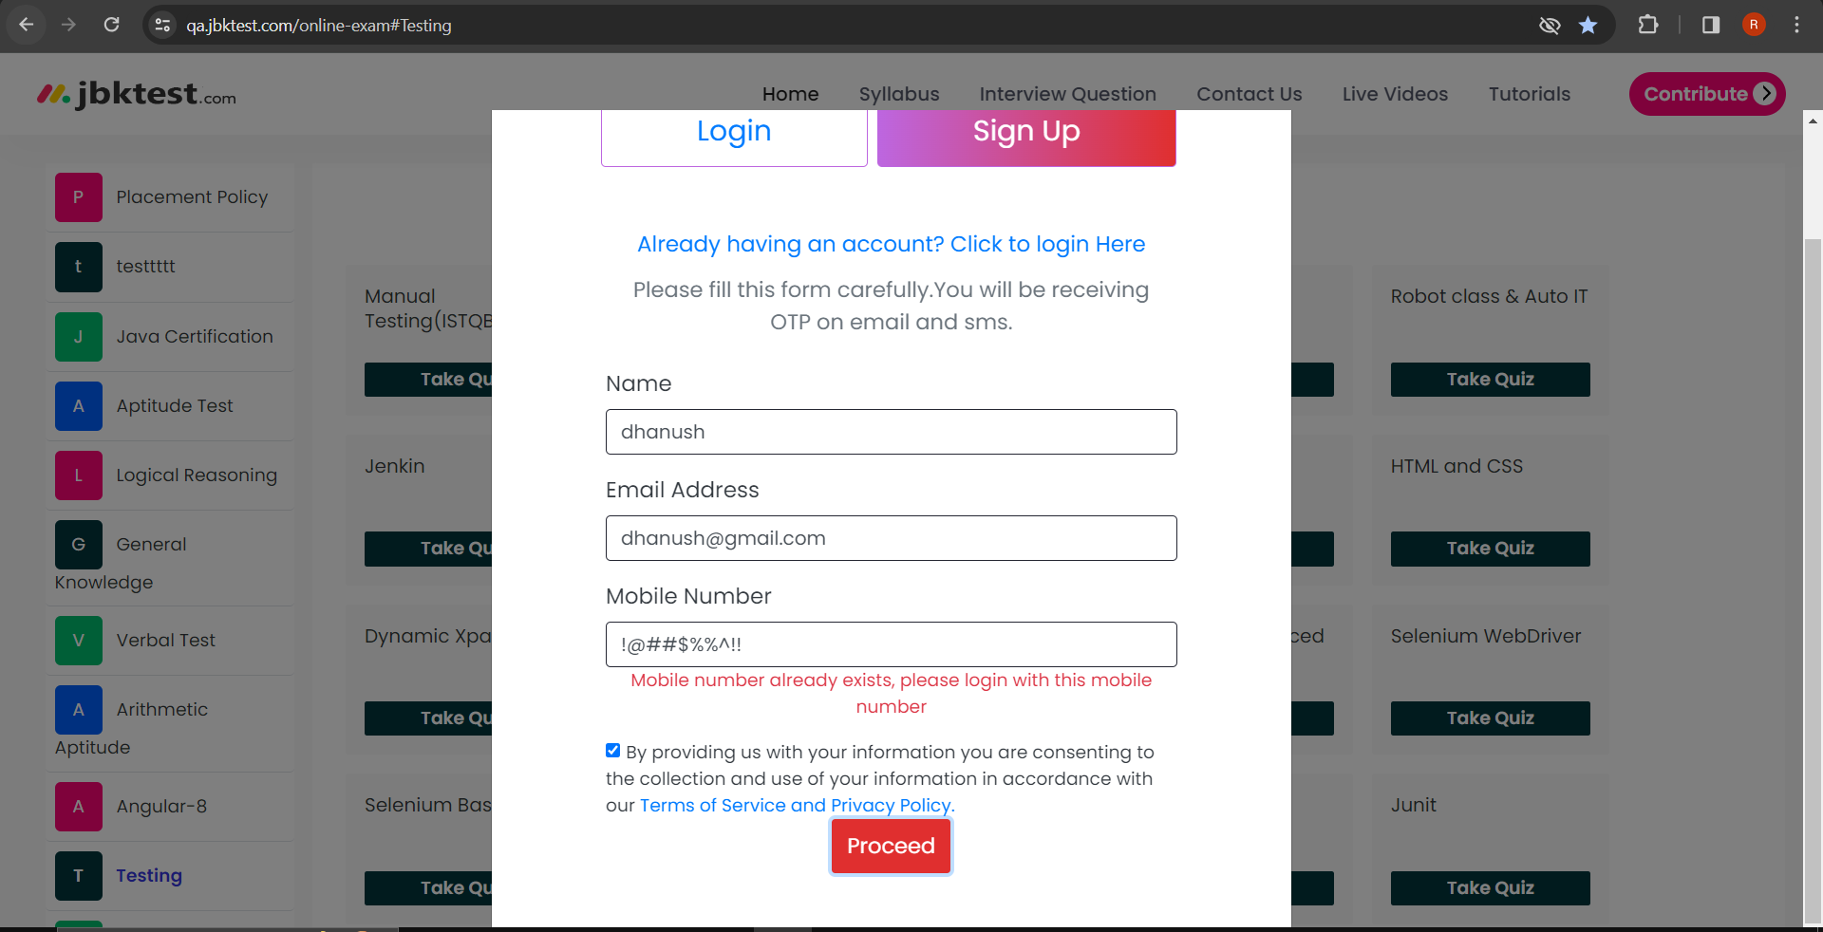
1 | Bug Id: | 5
2 | Title of Bug: | When user enter 10 character or 10 special character in mobile number field and click on Proceed button, it returns incorrect/wrong error
3 | Bug Description: | When user enter 10 character as mobile number and click on Proceed button, it returns Mobile number already exists error message but should return Please enter a valid number error message
 |  | 1) Open "https://www.qa.jbktest.com/online-exam#Testing" website in browser
4 | Steps to Reproduce: | 2) Click on Testing tab
 |  | 3) Click on Manual Testing(ISTQB) Tab
 |  | 4) Click on "Next" Button
 |  | 5) Click on "SignUp" Tab
 |  | 6) Enter name in Name TextBox
 |  | 7) Enter Email Address in Email Address TextBox
 |  | 8) Enter 10 character in Mobile number TextBox
 |  | 9) Click on Checkbox
 |  | 10) Click on "Proceed" Button
5 | Test Case Id: | TC_SignUp_007
6 | Severity: | Critical
7 | Priority of bug: | Critical
8 | Status of bug: | New
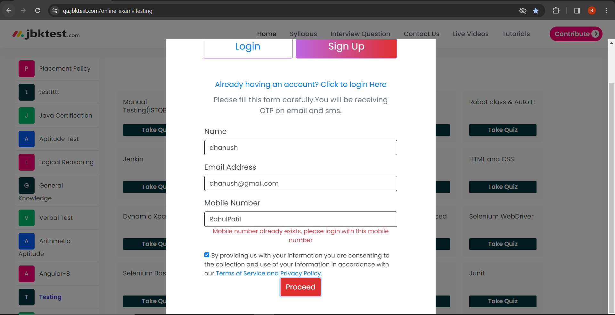
9 | Reproduciblity: | Always
10 | Attachment:

Bug6
1 | Bug Id: | 6
2 | Title of Bug: | The Contributor option of select has wrong spelling
3 | Bug Description: | The Contributor option of select has wrong spelling "Contibutor " while the corect spelling is "Contributor"
4 | Steps to Reproduce: | 1) Open "https://www.qa.jbktest.com/online-exam#Testing" website in browser
 |  | 2) Click on Testing tab
 |  | 2) Click on Contribute tab
 |  | 3) Enter name in Name TextBox
 |  | 4) Enter Email Address in Email Address TextBox
 |  | 5) Enter Mobile Number in Mobile number TextBox
 |  | 6) Select Contributor option in dropdown
 |  | 7) Click on "Submit" Button
5 | Test Case Id: | TC_Contribute_001
6 | Severity: | Cosmetic
7 | Priority of bug: | Medium
8 | Status of bug: | New
9 | Reproduciblity: | Always
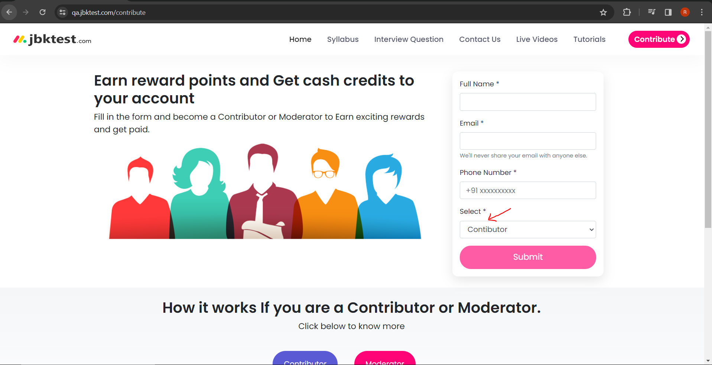
10 | Attachment:

Bug7
1 | Bug Id: | 7
2 | Title of Bug: | When user click on Syllabus menu of Homepage,User is navigated to homepage
3 | Bug Description: | When user click on Syllabus menu of Homepage,User is navigated to homepage instead user should be navigated to syllabus page
4 | Steps to Reproduce: | 1) Open "https://www.qa.jbktest.com/online-exam#Testing" website in browser
 |  | 2) Click on Syllabus Menu on Home Page
5 | Test Case Id: | TC_HomePage_004
6 | Severity: | Major
7 | Priority of bug: | Medium
8 | Status of bug: | New
9 | Reproduciblity: | Always
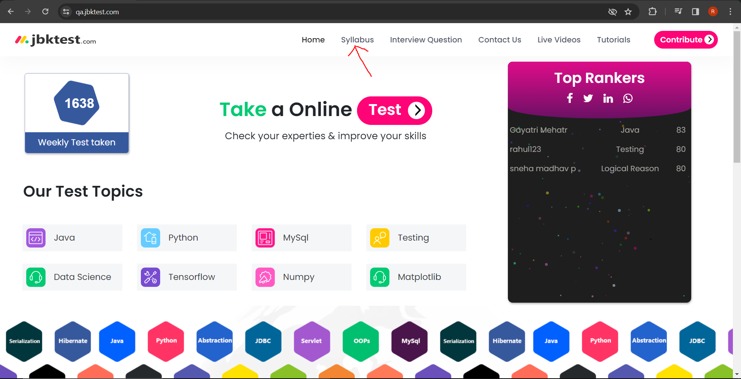
10 | Attachment:

Bug8
1 | Bug Id: | 8
2 | Title of Bug: | When user click on Interview question menu of Homepage,User is navigated to homepage
3 | Bug Description: | When user click on Interview question menu of Homepage,User is navigated to homepage instead user should be navigated to Interview question page
4 | Steps to Reproduce: | 1) Open "https://www.qa.jbktest.com/online-exam#Testing" website in browser
 |  | 2) Click on Interview question Menu on Home Page
5 | Test Case Id: | TC_HomePage_005
6 | Severity: | Major
7 | Priority of bug: | Medium
8 | Status of bug: | New
9 | Reproduciblity: | Always
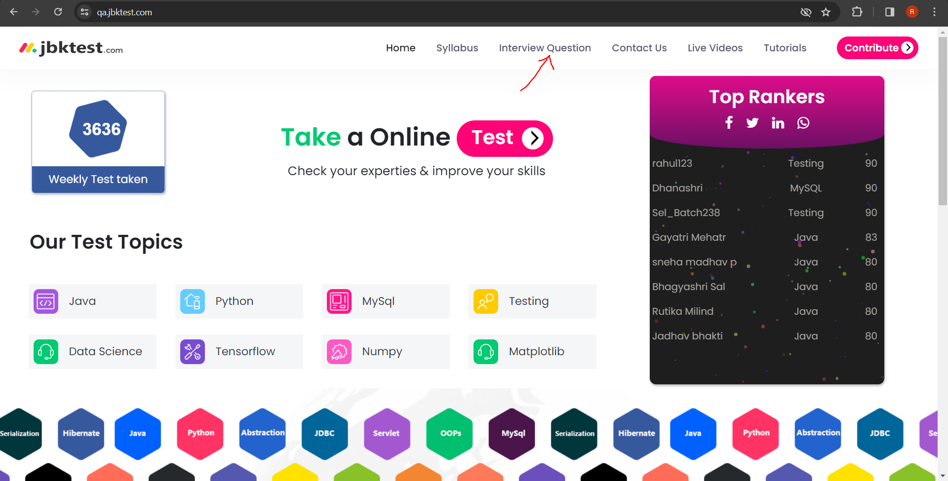
10 | Attachment:

Bug9
1 | Bug Id: | 9
2 | Title of Bug: | When user click on Contact Us menu of Homepage,User is navigated to homepage
3 | Bug Description: | When user click on Contact Us menu of Homepage,User is navigated to homepage instead user should be navigated to Contact Us page
4 | Steps to Reproduce: | 1) Open "https://www.qa.jbktest.com/online-exam#Testing" website in browser
 |  | 2) Click on Contact Us Menu on Home Page
5 | Test Case Id: | TC_HomePage_006
6 | Severity: | Major
7 | Priority of bug: | Medium
8 | Status of bug: | New
9 | Reproduciblity: | Always

10 | Attachment:

Bug10
1 | Bug Id: | 10
2 | Title of Bug: | When user click on Live Videos menu of Homepage,User is navigated to homepage
3 | Bug Description: | When user click on Live Videos menu of Homepage,User is navigated to homepage instead user should be navigated to Live Videos page
4 | Steps to Reproduce: | 1) Open "https://www.qa.jbktest.com/online-exam#Testing" website in browser
 |  | 2) Click on Live Videos Menu on Home Page
5 | Test Case Id: | TC_HomePage_007
6 | Severity: | Major
7 | Priority of bug: | Medium
8 | Status of bug: | New
9 | Reproduciblity: | Always

10 | Attachment:

Bug11
1 | Bug Id: | 11
2 | Title of Bug: | When user click on Tutorials menu of Homepage,User is navigated to homepage
3 | Bug Description: | When user click on Tutorials menu of Homepage,User is navigated to homepage instead user should be navigated to Tutorials page
4 | Steps to Reproduce: | 1) Open "https://www.qa.jbktest.com/online-exam#Testing" website in browser
 |  | 2) Click on Tutorials Menu on Home Page
5 | Test Case Id: | TC_HomePage_008
6 | Severity: | Major
7 | Priority of bug: | Medium
8 | Status of bug: | New
9 | Reproduciblity: | Always

10 | Attachment:

